Worksheet
Sum of Total Sales | Sum of Operating Profit | Sum of Units Sold | Average of Operating Margin
1291535 | 542046.125 | 3064800 | 0.40625

Row Labels | Sum of Total Sales
Jan | $70,663
Feb | $66,475
Mar | $65,845
Apr | $60,663
May | $89,965
Jun | $134,538
Jul | $157,913
Aug | $152,275
Sep | $117,225
Oct | $81,688
Nov | $118,800
Dec | $175,488
Grand Total | $1,291,535

Row Labels | Sum of Units Sold |  | States | Units Sold
Alabama | 408500 |  | Alabama | 408,500
Arkansas | 255350 |  | Alaska | 312,250
Louisiana | 412250 |  | Arizona | 331,500
Mississippi | 309350 |  | Arkansas | 255,350
Oklahoma | 237350 |  | California | 1,037,250
Tennessee | 427750 |  | Colorado | 324,250
Texas | 1014250 |  | Connecticut | 169,600
Grand Total | 3064800 |  | Delaware | 205,600
 |  |  | Florida | 1,051,700
 |  |  | Georgia | 579,350
 |  |  | Hawaii | 353,500
 |  |  | Idaho | 288,250
 |  |  | Illinois | 185,600
 |  |  | Indiana | 241,600
 |  |  | Iowa | 183,100
 |  |  | Kansas | 180,600
 |  |  | Kentucky | 363,350
 |  |  | Louisiana | 412,250
 |  |  | Maine | 172,600
 |  |  | Maryland | 241,600
 |  |  | Massachusetts | 241,600
 |  |  | Michigan | 280,350
 |  |  | Minnesota | 156,850
 |  |  | Mississippi | 309,350
 |  |  | Missouri | 316,350
 |  |  | Montana | 328,000
 |  |  | Nebraska | 136,350
 |  |  | Nevada | 324,000
 |  |  | New Hampshire | 238,850
 |  |  | New Jersey | 223,600
 |  |  | New Mexico | 313,500
 |  |  | New York | 1,125,200
 |  |  | North Carolina | 399,350
 |  |  | North Dakota | 184,100
 |  |  | Ohio | 203,600
 |  |  | Oklahoma | 237,350
 |  |  | Oregon | 346,750
 |  |  | Pennsylvania | 165,600
 |  |  | Rhode Island | 198,850
 |  |  | South Carolina | 507,350
 |  |  | South Dakota | 180,600
 |  |  | Tennessee | 427,750
 |  |  | Texas | 1,014,250
 |  |  | Utah | 310,750
 |  |  | Vermont | 256,850
 |  |  | Virginia | 403,350
 |  |  | Washington | 348,750
 |  |  | West Virginia | 154,600
 |  |  | Wisconsin | 205,850
 |  |  | Wyoming | 310,750

Dashboard
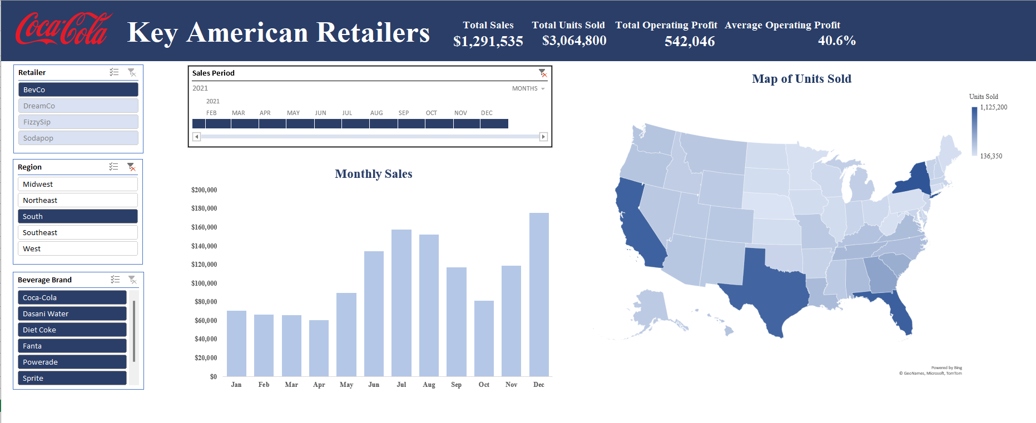
Key American Retailers |  | Total Sales | Total Units Sold | Total Operating Profit | Average Operating Profit
 |  | $1,291,535 | $3,064,800 | 542,046 | 40.6%

Monthly Sales
 | Total
Jan | $70,663
Feb | $66,475
Mar | $65,845
Apr | $60,663
May | $89,965
Jun | $134,538
Jul | $157,913
Aug | $152,275
Sep | $117,225
Oct | $81,688
Nov | $118,800
Dec | $175,488

 | SCREENSHOT OF THE DASHBOARD

